FRA-detail
 |  |  |  |  |  | UPRN | B296A1
 |  |  |  |  |  |  | Converted house
 |  |  |  |  |  |  | Fire Risk Assessment (FRA)
 |  |  |  |  |  |  | Regulatory Reform (Fire Safety) Order 2005
4780-87
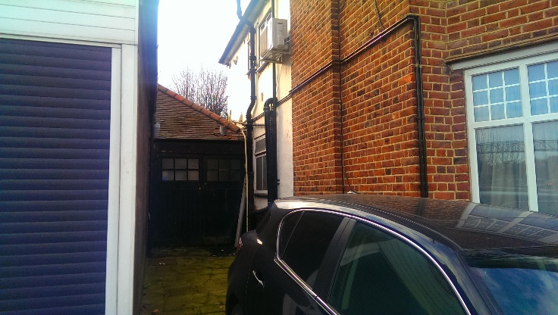 PA 4780-4787 | Next review due on: * |  | As FRA program

 | Date of FRA: |  | 14-Feb-17

 | Responsible person (e.g. housing provider): |  |  | Chief Executive, Barnet Homes

 | Fire Risk Assessor |  | The Fire Risk Assessment was undertaken by Mr Phil Williams who has the necessary qualifications, competency and experience in Fire Risk Management that give him the status of “Competent Person” as described in articles 15 and 18 of the ‘Regulatory Reform (Fire Safety) Order 2005', for properties in England & Wales, and the 'Fire Safety (Scotland) Regulations 2006' for those in Scotland. This legislation now supersedes all previous fire legislation for England, Wales & Scotland and forms the ‘Fire Regulations'. He has been trained through the Fire Service in all necessary disciplines of fire safety, building design and building behaviour under fire conditions and is considered to be sufficiently practised in the necessary skills to enable him to carry out a practical fire risk assessment.
 | (include relevant professional memberships and/or qualifications)

Address of premises: | Person managing fire safety for the premises: |  |  | Health & Safety Manager
Hendon Way 25, NW2 2LX (
 | Did you consult with any other individual during the FRA? |  |  |  | No
 | If yes, provide | Name
 |  | Position within company

Barnet Homes UPRN: | Recommended review date: |  | The person managing fire safety should monitor the progress of work undertaken in rectifying the deficiencies reported and should ensure that checks are undertaken at target completion dates. A follow up inspection (taking the form of an interim fire risk assessment review) should be undertaken no more than one month from the time when the reported ‘Priority P0’ deficiencies have been identified and additionally in six months by which time Priority P1 deficiencies should have been actioned. It is Barnet Homes policy that a review of the fire risk assessment will be undertaken no later than 12 months from the date of inspection.
B296A1

Euro Compliance Limited
Institute of Fire Engineers
Company Registration No. 6353434

ActionPlan

 |  |  |  | UPRN | B296A1
Priority | Description | Timescale
P0 | When an unacceptable risk to fire safety is present. Note - works typically carried out by Housing/Repairs | Within 10 days
P1 | These items are regarded as important but a lead-time to organise is recognised to be necessary. Note - Low number of action items per block typically carried out by the RESPONSIVE REPAIRS TEAM | Within 6 months
P1+ | These items are regarded as important but a lead in time to organise is recognised to be necessary. Note - PLANNED WORKS TEAM DELIVERY | Within 1 year
P2 | Where an immediate risk to fire safety is not present but improvements/actions are necessary to maintain the essential systems and standards. Note - PLANNED WORKS TEAM DELIVERY | Within 2 years
P3 | Works to be considered in future improvements or placed onto a future works programme/rolling maintenance programmes. Note - PLANNED WORKS TEAM DELIVERY | To be placed onto a Planned Improvement programme within 3 months of being identified, and works completed within 5 years
P4 | Relates to continuing managerial responsibility or recognised best practice guidance. | Management/ procedural
 | Fire Risk Assessment - ACTION PLAN
Premises: | Hendon Way 25, NW2 2LX ( |  |  | FRA undertaken on (date): | 14/02/2017

Question | Action to be taken | Priority | Ownership | Details | Ongoing from last FRA
2 | There is a lot of storage in the small communal area and consideration could be given to remvoing this storage, however it does not impeded the means of escape and the area is secure from non residents | P1
14 | Both flat entrance doors are not FD30S standard doors and should be replaced with certified FD30S doors/doorsets fitted in accordance to BS88214 | P3
24 | It would be advisable to fit a BS5839-6 LD2 system to all flats if not already fitted. Review recommended. | P3
27 | It is recommended that one of the 2 flats is surveyed internally to ensure that the compartmentation levels are adequate between the flats. | P3
35 | LED downlighters have been installed in the communal entrance by the leaseholder of the upstairs flat and this suggests that unauthorised electrical system alterations have been carried. It is recommended that this electrical work is checked by a competent NICEIC electrician to ensure that the electrical system is safe. | P3

Photos
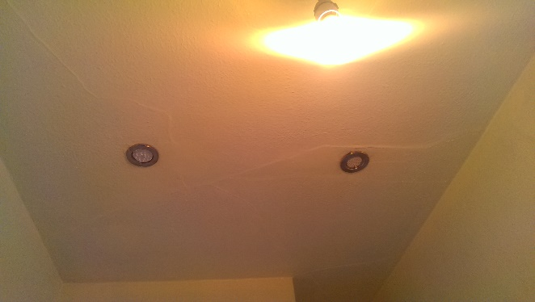
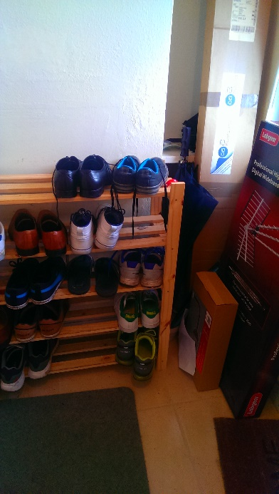
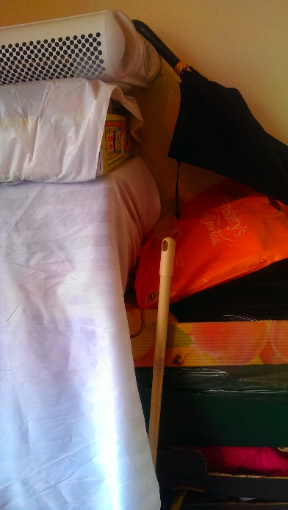
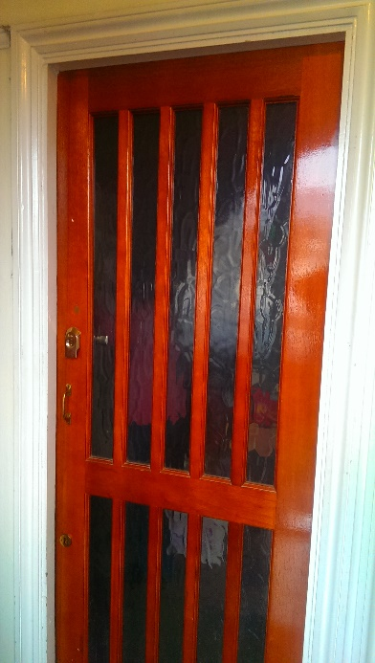
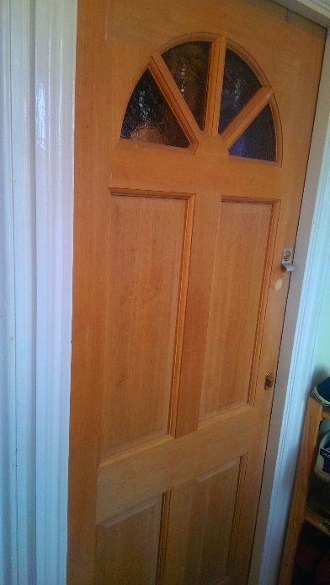

Downstairs | Upstairs

